30
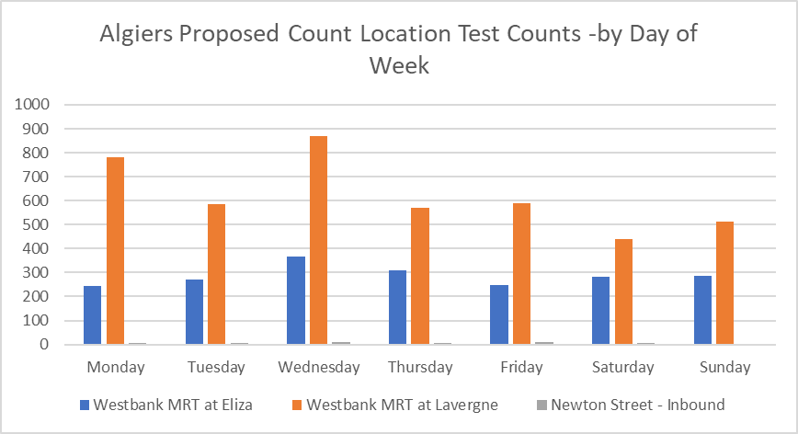
Westbank MRT at Eliza St (2019)
Date | Total Daily Users | Inbound | Outbound
2019-06-11 | 211 | 115 | 96
2019-06-12 | 393 | 225 | 168
2019-06-13 | 363 | 211 | 152
2019-06-14 | 264 | 165 | 99
2019-06-15 | 302 | 167 | 135
2019-06-16 | 288 | 162 | 126
2019-06-17 | 241 | 130 | 111
2019-06-18 | 222 | 139 | 83
2019-06-19 | 338 | 215 | 123
2019-06-20 | 254 | 160 | 94
2019-06-21 | 230 | 140 | 90
2019-06-22 | 266 | 165 | 101
2019-06-23 | 284 | 193 | 91
2019-06-24 | 247 | 141 | 106
2019-06-25 | 111 | 67 | 44

June 11 and June 25 are partial days

31
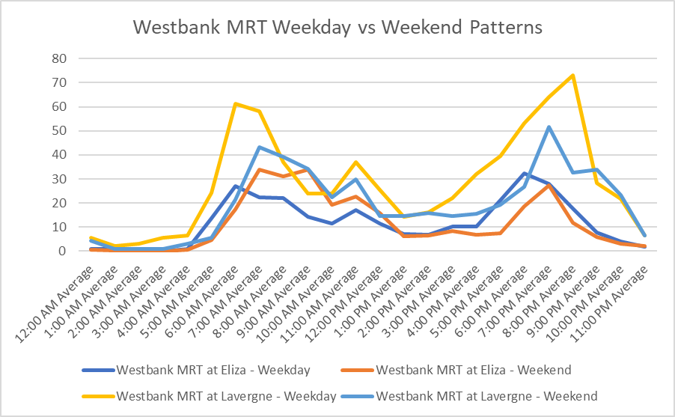
Westbank MRT at Eliza St (2019)
Date | DOW | Hour | Total Daily Users | Inbound | Outbound
2019-06-11 | Tue | 12:00:00 | 12 | 10 | 2
2019-06-11 | Tue | 13:00:00 | 8 | 4 | 4
2019-06-11 | Tue | 14:00:00 | 18 | 9 | 9
2019-06-11 | Tue | 15:00:00 | 16 | 6 | 10
2019-06-11 | Tue | 16:00:00 | 14 | 10 | 4
2019-06-11 | Tue | 17:00:00 | 16 | 9 | 7
2019-06-11 | Tue | 18:00:00 | 47 | 28 | 19
2019-06-11 | Tue | 19:00:00 | 47 | 25 | 22
2019-06-11 | Tue | 20:00:00 | 14 | 6 | 8
2019-06-11 | Tue | 21:00:00 | 13 | 5 | 8
2019-06-11 | Tue | 22:00:00 | 4 | 1 | 3
2019-06-11 | Tue | 23:00:00 | 2 | 2 | 0
2019-06-12 | Wed | 0:00:00 | 0 | 0 | 0
2019-06-12 | Wed | 1:00:00 | 5 | 2 | 3
2019-06-12 | Wed | 2:00:00 | 1 | 1 | 0
2019-06-12 | Wed | 3:00:00 | 0 | 0 | 0
2019-06-12 | Wed | 4:00:00 | 0 | 0 | 0
2019-06-12 | Wed | 5:00:00 | 16 | 8 | 8
2019-06-12 | Wed | 6:00:00 | 25 | 12 | 13
2019-06-12 | Wed | 7:00:00 | 32 | 19 | 13
2019-06-12 | Wed | 8:00:00 | 24 | 16 | 8
2019-06-12 | Wed | 9:00:00 | 18 | 15 | 3
2019-06-12 | Wed | 10:00:00 | 12 | 9 | 3
2019-06-12 | Wed | 11:00:00 | 18 | 9 | 9
2019-06-12 | Wed | 12:00:00 | 13 | 8 | 5
2019-06-12 | Wed | 13:00:00 | 12 | 9 | 3
2019-06-12 | Wed | 14:00:00 | 11 | 3 | 8
2019-06-12 | Wed | 15:00:00 | 17 | 10 | 7
2019-06-12 | Wed | 16:00:00 | 17 | 13 | 4
2019-06-12 | Wed | 17:00:00 | 26 | 13 | 13
2019-06-12 | Wed | 18:00:00 | 69 | 39 | 30
2019-06-12 | Wed | 19:00:00 | 36 | 19 | 17
2019-06-12 | Wed | 20:00:00 | 21 | 12 | 9
2019-06-12 | Wed | 21:00:00 | 16 | 8 | 8
2019-06-12 | Wed | 22:00:00 | 4 | 0 | 4
2019-06-12 | Wed | 23:00:00 | 0 | 0 | 0
2019-06-13 | Thu | 0:00:00 | 0 | 0 | 0
2019-06-13 | Thu | 1:00:00 | 0 | 0 | 0
2019-06-13 | Thu | 2:00:00 | 2 | 1 | 1
2019-06-13 | Thu | 3:00:00 | 0 | 0 | 0
2019-06-13 | Thu | 4:00:00 | 1 | 0 | 1
2019-06-13 | Thu | 5:00:00 | 17 | 10 | 7
2019-06-13 | Thu | 6:00:00 | 19 | 6 | 13
2019-06-13 | Thu | 7:00:00 | 42 | 24 | 18
2019-06-13 | Thu | 8:00:00 | 27 | 17 | 10
2019-06-13 | Thu | 9:00:00 | 21 | 11 | 10
2019-06-13 | Thu | 10:00:00 | 18 | 10 | 8
2019-06-13 | Thu | 11:00:00 | 15 | 7 | 8
2019-06-13 | Thu | 12:00:00 | 24 | 15 | 9
2019-06-13 | Thu | 13:00:00 | 8 | 5 | 3
2019-06-13 | Thu | 14:00:00 | 7 | 3 | 4
2019-06-13 | Thu | 15:00:00 | 13 | 11 | 2
2019-06-13 | Thu | 16:00:00 | 19 | 12 | 7
2019-06-13 | Thu | 17:00:00 | 30 | 19 | 11
2019-06-13 | Thu | 18:00:00 | 25 | 15 | 10
2019-06-13 | Thu | 19:00:00 | 42 | 30 | 12
2019-06-13 | Thu | 20:00:00 | 20 | 7 | 13
2019-06-13 | Thu | 21:00:00 | 6 | 3 | 3
2019-06-13 | Thu | 22:00:00 | 4 | 3 | 1
2019-06-13 | Thu | 23:00:00 | 3 | 2 | 1
2019-06-14 | Fri | 0:00:00 | 2 | 1 | 1
2019-06-14 | Fri | 1:00:00 | 0 | 0 | 0
2019-06-14 | Fri | 2:00:00 | 0 | 0 | 0
2019-06-14 | Fri | 3:00:00 | 0 | 0 | 0
2019-06-14 | Fri | 4:00:00 | 0 | 0 | 0
2019-06-14 | Fri | 5:00:00 | 3 | 2 | 1
2019-06-14 | Fri | 6:00:00 | 14 | 7 | 7
2019-06-14 | Fri | 7:00:00 | 17 | 10 | 7
2019-06-14 | Fri | 8:00:00 | 22 | 17 | 5
2019-06-14 | Fri | 9:00:00 | 20 | 12 | 8
2019-06-14 | Fri | 10:00:00 | 8 | 7 | 1
2019-06-14 | Fri | 11:00:00 | 13 | 7 | 6
2019-06-14 | Fri | 12:00:00 | 7 | 5 | 2
2019-06-14 | Fri | 13:00:00 | 4 | 3 | 1
2019-06-14 | Fri | 14:00:00 | 3 | 2 | 1
2019-06-14 | Fri | 15:00:00 | 8 | 5 | 3
2019-06-14 | Fri | 16:00:00 | 14 | 6 | 8
2019-06-14 | Fri | 17:00:00 | 25 | 17 | 8
2019-06-14 | Fri | 18:00:00 | 26 | 16 | 10
2019-06-14 | Fri | 19:00:00 | 26 | 16 | 10
2019-06-14 | Fri | 20:00:00 | 24 | 14 | 10
2019-06-14 | Fri | 21:00:00 | 15 | 9 | 6
2019-06-14 | Fri | 22:00:00 | 13 | 9 | 4
2019-06-14 | Fri | 23:00:00 | 0 | 0 | 0
2019-06-15 | Sat | 0:00:00 | 1 | 1 | 0
2019-06-15 | Sat | 1:00:00 | 1 | 0 | 1
2019-06-15 | Sat | 2:00:00 | 0 | 0 | 0
2019-06-15 | Sat | 3:00:00 | 0 | 0 | 0
2019-06-15 | Sat | 4:00:00 | 1 | 0 | 1
2019-06-15 | Sat | 5:00:00 | 7 | 7 | 0
2019-06-15 | Sat | 6:00:00 | 16 | 7 | 9
2019-06-15 | Sat | 7:00:00 | 41 | 16 | 25
2019-06-15 | Sat | 8:00:00 | 44 | 24 | 20
2019-06-15 | Sat | 9:00:00 | 44 | 28 | 16
2019-06-15 | Sat | 10:00:00 | 20 | 10 | 10
2019-06-15 | Sat | 11:00:00 | 26 | 18 | 8
2019-06-15 | Sat | 12:00:00 | 9 | 7 | 2
2019-06-15 | Sat | 13:00:00 | 2 | 2 | 0
2019-06-15 | Sat | 14:00:00 | 2 | 1 | 1
2019-06-15 | Sat | 15:00:00 | 5 | 3 | 2
2019-06-15 | Sat | 16:00:00 | 4 | 3 | 1
2019-06-15 | Sat | 17:00:00 | 3 | 0 | 3
2019-06-15 | Sat | 18:00:00 | 35 | 15 | 20
2019-06-15 | Sat | 19:00:00 | 27 | 15 | 12
2019-06-15 | Sat | 20:00:00 | 8 | 5 | 3
2019-06-15 | Sat | 21:00:00 | 1 | 1 | 0
2019-06-15 | Sat | 22:00:00 | 5 | 4 | 1
2019-06-15 | Sat | 23:00:00 | 0 | 0 | 0
2019-06-16 | Sun | 0:00:00 | 0 | 0 | 0
2019-06-16 | Sun | 1:00:00 | 0 | 0 | 0
2019-06-16 | Sun | 2:00:00 | 0 | 0 | 0
2019-06-16 | Sun | 3:00:00 | 0 | 0 | 0
2019-06-16 | Sun | 4:00:00 | 0 | 0 | 0
2019-06-16 | Sun | 5:00:00 | 2 | 1 | 1
2019-06-16 | Sun | 6:00:00 | 13 | 8 | 5
2019-06-16 | Sun | 7:00:00 | 24 | 15 | 9
2019-06-16 | Sun | 8:00:00 | 34 | 21 | 13
2019-06-16 | Sun | 9:00:00 | 38 | 17 | 21
2019-06-16 | Sun | 10:00:00 | 19 | 8 | 11
2019-06-16 | Sun | 11:00:00 | 22 | 14 | 8
2019-06-16 | Sun | 12:00:00 | 22 | 11 | 11
2019-06-16 | Sun | 13:00:00 | 6 | 3 | 3
2019-06-16 | Sun | 14:00:00 | 11 | 7 | 4
2019-06-16 | Sun | 15:00:00 | 12 | 8 | 4
2019-06-16 | Sun | 16:00:00 | 4 | 4 | 0
2019-06-16 | Sun | 17:00:00 | 11 | 11 | 0
2019-06-16 | Sun | 18:00:00 | 24 | 15 | 9
2019-06-16 | Sun | 19:00:00 | 19 | 12 | 7
2019-06-16 | Sun | 20:00:00 | 9 | 3 | 6
2019-06-16 | Sun | 21:00:00 | 14 | 2 | 12
2019-06-16 | Sun | 22:00:00 | 2 | 2 | 0
2019-06-16 | Sun | 23:00:00 | 2 | 0 | 2
2019-06-17 | Mon | 0:00:00 | 0 | 0 | 0
2019-06-17 | Mon | 1:00:00 | 1 | 0 | 1
2019-06-17 | Mon | 2:00:00 | 0 | 0 | 0
2019-06-17 | Mon | 3:00:00 | 0 | 0 | 0
2019-06-17 | Mon | 4:00:00 | 2 | 1 | 1
2019-06-17 | Mon | 5:00:00 | 17 | 9 | 8
2019-06-17 | Mon | 6:00:00 | 33 | 16 | 17
2019-06-17 | Mon | 7:00:00 | 13 | 10 | 3
2019-06-17 | Mon | 8:00:00 | 41 | 24 | 17
2019-06-17 | Mon | 9:00:00 | 12 | 5 | 7
2019-06-17 | Mon | 10:00:00 | 15 | 6 | 9
2019-06-17 | Mon | 11:00:00 | 22 | 12 | 10
2019-06-17 | Mon | 12:00:00 | 11 | 7 | 4
2019-06-17 | Mon | 13:00:00 | 4 | 2 | 2
2019-06-17 | Mon | 14:00:00 | 4 | 3 | 1
2019-06-17 | Mon | 15:00:00 | 4 | 2 | 2
2019-06-17 | Mon | 16:00:00 | 3 | 2 | 1
2019-06-17 | Mon | 17:00:00 | 26 | 12 | 14
2019-06-17 | Mon | 18:00:00 | 29 | 19 | 10
2019-06-17 | Mon | 19:00:00 | 3 | 0 | 3
2019-06-17 | Mon | 20:00:00 | 0 | 0 | 0
2019-06-17 | Mon | 21:00:00 | 1 | 0 | 1
2019-06-17 | Mon | 22:00:00 | 0 | 0 | 0
2019-06-17 | Mon | 23:00:00 | 0 | 0 | 0
2019-06-18 | Tue | 0:00:00 | 0 | 0 | 0
2019-06-18 | Tue | 1:00:00 | 2 | 1 | 1
2019-06-18 | Tue | 2:00:00 | 0 | 0 | 0
2019-06-18 | Tue | 3:00:00 | 0 | 0 | 0
2019-06-18 | Tue | 4:00:00 | 0 | 0 | 0
2019-06-18 | Tue | 5:00:00 | 15 | 10 | 5
2019-06-18 | Tue | 6:00:00 | 22 | 10 | 12
2019-06-18 | Tue | 7:00:00 | 12 | 8 | 4
2019-06-18 | Tue | 8:00:00 | 3 | 1 | 2
2019-06-18 | Tue | 9:00:00 | 4 | 3 | 1
2019-06-18 | Tue | 10:00:00 | 7 | 6 | 1
2019-06-18 | Tue | 11:00:00 | 25 | 15 | 10
...

36
...
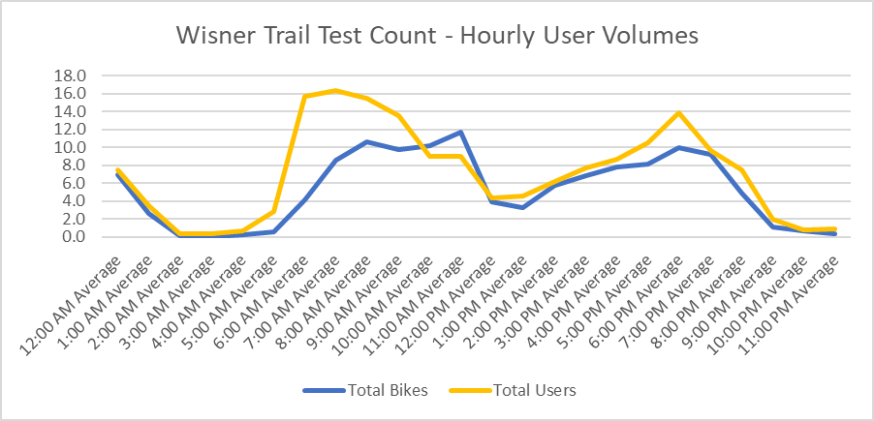
Tubes 2213 | Tubes 2213 | Pyro 5905 | Pyro 5905 | Pyro 5905
Wisner Trail at Desaix | Wisner Trail at Desaix | Wisner Trail at Desaix | Wisner Trail at Desaix | Wisner Trail at Desaix
In | Out | Total | In | Out
36 | 27 | 364 | 214 | 150
76 | 68 | 311 | 156 | 155
100 | 106 | 269 | 132 | 137
56 | 52 | 196 | 103 | 93
32 | 29 | 202 | 98 | 104
43 | 46 | 265 | 134 | 131
60 | 78 | 243 | 132 | 111
38 | 45 | 133 | 71 | 62
65 | 58 | 153 | 85 | 68
62 | 61 | 170 | 101 | 69
56 | 57 | 143 | 75 | 68
65 | 74 | 147 | 75 | 72
16 | 19 | 86 | 42 | 44
 |  | 209 | 103 | 106
 |  | 66 | 29 | 37
 |  | 71 | 35 | 36
 |  | 60 | 28 | 32
 |  | 372 | 239 | 133

39
...
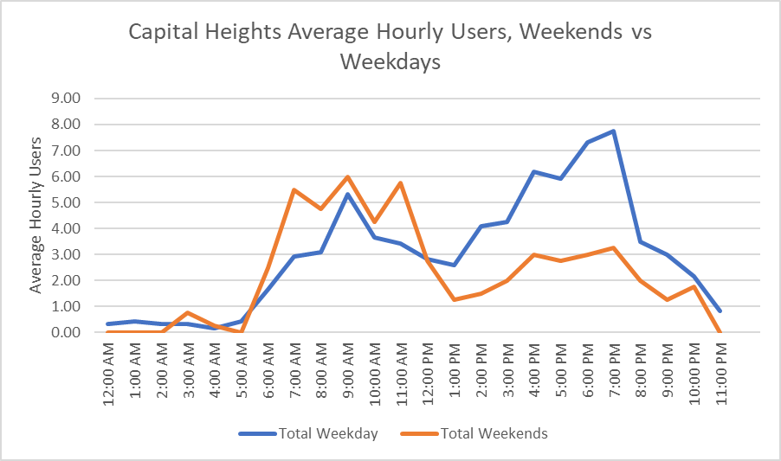
 | Tubes 5904 | Tubes 5904 | Tubes 5904
 | Capital Heights at Moore | Capital Heights at Moore | Capital Heights at Moore
Hour | Total | In | Out
11:00:00 | 2 | 1 | 1
12:00:00 | 2 | 0 | 2
13:00:00 | 1 | 1 | 0
14:00:00 | 0 | 0 | 0
15:00:00 | 3 | 2 | 1
16:00:00 | 5 | 2 | 3
17:00:00 | 8 | 4 | 4
18:00:00 | 16 | 8 | 8
19:00:00 | 8 | 6 | 2
20:00:00 | 5 | 1 | 4
21:00:00 | 1 | 1 | 0
22:00:00 | 2 | 1 | 1
23:00:00 | 0 | 0 | 0
0:00:00 | 0 | 0 | 0
1:00:00 | 2 | 1 | 1
2:00:00 | 0 | 0 | 0
3:00:00 | 0 | 0 | 0
4:00:00 | 0 | 0 | 0
5:00:00 | 4 | 2 | 2
6:00:00 | 0 | 0 | 0
7:00:00 | 0 | 0 | 0
8:00:00 | 1 | 1 | 0
9:00:00 | 13 | 5 | 8
...

40
...
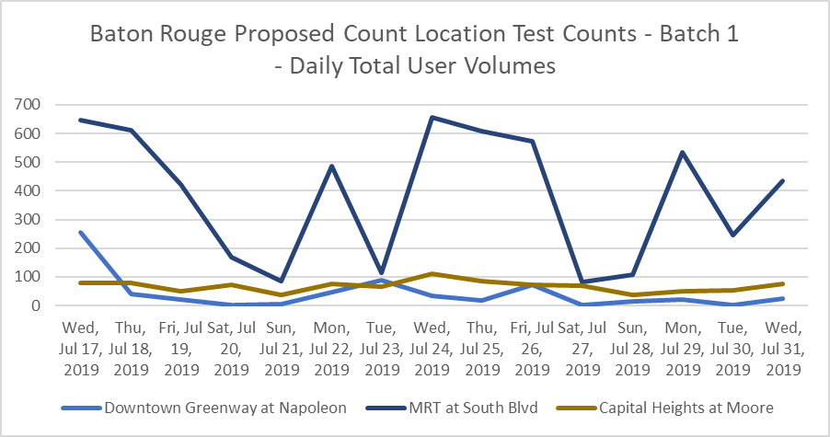
Pyro 2212 | Pyro 2212 | Tubes 2213 | Tubes 2213 | Tubes 2213
Downtown Greenway at Napoleon | Downtown Greenway at Napoleon | Downtown Greenway at Napoleon | Downtown Greenway at Napoleon | Downtown Greenway at Napoleon
In | Out | Total | In | Out
 |  | 7 | 1 | 6
145 | 111 | 19 | 14 | 5
27 | 12 | 20 | 14 | 6
18 | 4 | 12 | 6 | 6
3 | 0 | 17 | 5 | 12
4 | 0 | 5 | 0 | 5
20 | 27 | 19 | 13 | 6

48 | 41
27 | 6
15 | 4
44 | 28
2 | 1
7 | 9
19 | 1
3 | 0
24 | 0

41
...
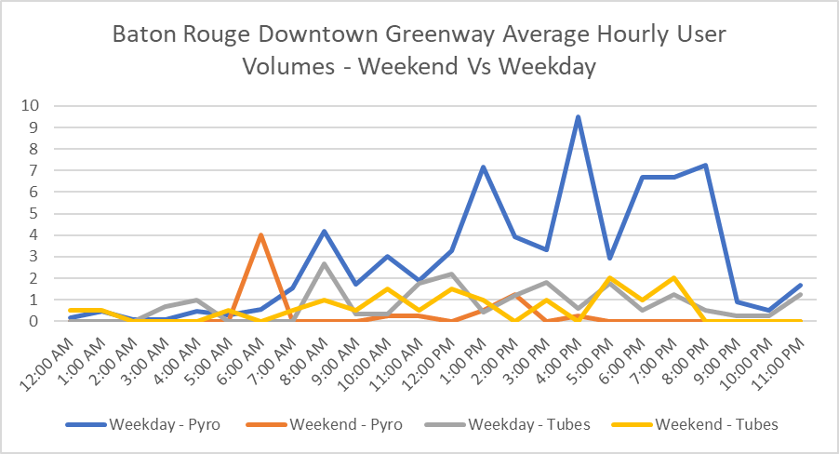
Pyro 2212 | Pyro 2212 | Tubes 2213 | Tubes 2213 | Tubes 2213
Downtown Greenway at Napoleon | Downtown Greenway at Napoleon | Downtown Greenway at Napoleon | Downtown Greenway at Napoleon | Downtown Greenway at Napoleon
In | Out | Total | In | Out
 |  | 3 | 0 | 3
4 | 3 | 0 | 0 | 0
2 | 1 | 1 | 1 | 0
2 | 5 | 0 | 0 | 0
12 | 5 | 1 | 0 | 1
9 | 8 | 0 | 0 | 0
25 | 23 | 0 | 0 | 0
11 | 20 | 2 | 0 | 2
27 | 6 | 0 | 0 | 0
2 | 7 | 0 | 0 | 0
0 | 2 | 0 | 0 | 0
1 | 2 | 0 | 0 | 0
0 | 0 | 0 | 0 | 0
1 | 0 | 0 | 0 | 0
0 | 0 | 0 | 0 | 0
0 | 1 | 2 | 2 | 0
2 | 1 | 2 | 1 | 1
0 | 1 | 0 | 0 | 0
3 | 2 | 0 | 0 | 0
9 | 8 | 0 | 0 | 0
...

42
...
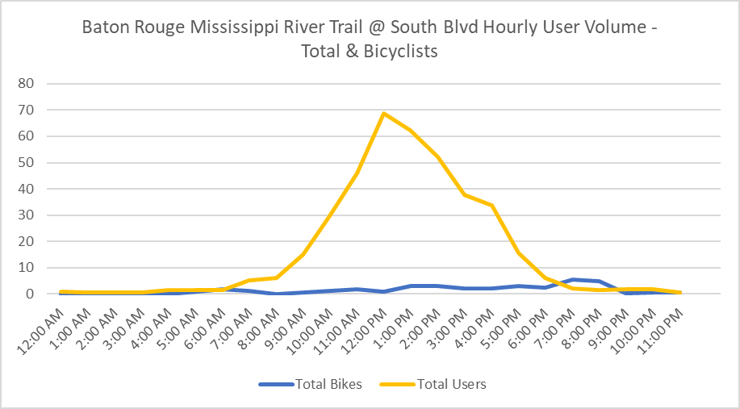
Tubes 2213 | Tubes 2213 | Pyro 5905 | Pyro 5905 | Pyro 5905
MRT at South Blvd | MRT at South Blvd | MRT at South Blvd | MRT at South Blvd | MRT at South Blvd
In | Out | Total | In | Out

 |  | 646 | 45 | 601
 |  | 611 | 47 | 564
 |  | 421 | 30 | 391
 |  | 168 | 18 | 150
 |  | 84 | 23 | 61
 |  | 486 | 66 | 420
11 | 4 | 113 | 34 | 79
17 | 11 | 656 | 63 | 593
 |  | 607 | 49 | 558
 |  | 572 | 51 | 521
 |  | 81 | 20 | 61
 |  | 107 | 29 | 78
27 | 20 | 534 | 46 | 488
17 | 12 | 246 | 21 | 225
24 | 24 | 434 | 35 | 399

44
...
North Baton Rouge BREC I-110 Trails - Baton Rouge (2019)
2019-08-12 | 14 | 5 | 9 | 1 | 1 | 0 | 18 | 4 | 14 | 0 | 0
2019-08-13 | 15 | 8 | 7 | 3 | 1 | 2 | 15 | 11 | 4 | 1 | 1
2019-08-14 | 6 | 3 | 3 | 1 | 0 | 1 | 31 | 12 | 19 | 7 | 5
2019-08-15 | 30 | 24 | 6 | 3 | 2 | 1 | 45 | 27 | 18 | 3 | 1
2019-08-16 | 23 | 21 | 2 | 2 | 1 | 1 | 24 | 10 | 14 | 2 | 1
2019-08-17 | 22 | 18 | 4 | 1 | 0 | 1 | 18 | 12 | 6 | 0 | 0
2019-08-18 | 20 | 9 | 11 | 5 | 2 | 3 | 16 | 9 | 7 | 2 | 1
2019-08-19 | 9 | 3 | 6 | 3 | 2 | 1 | 30 | 17 | 13 | 1 | 1

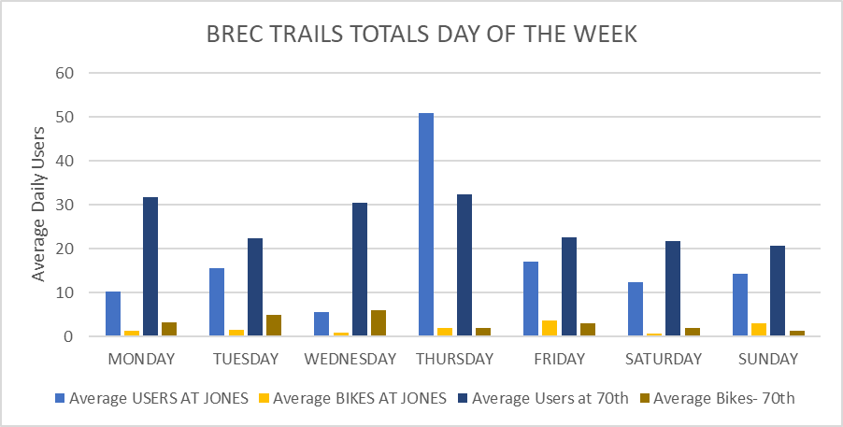

46
...
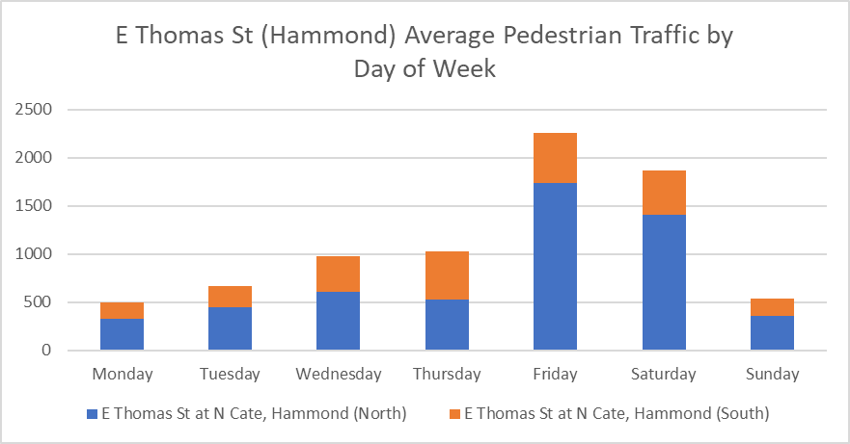
 | E Thomas St at N Cate, Hammond (South)
Out | Total | In | Out
505 | 475 | 264 | 211
419 | 444 | 242 | 202
183 | 164 | 83 | 81
179 | 118 | 68 | 50
242 | 226 | 115 | 111
297 | 403 | 202 | 201
260 | 649 | 327 | 322
390 | 582 | 283 | 299
249 | 467 | 243 | 224
 | 136 | 78 | 58
 | 195 | 108 | 87
 | 305 | 143 | 162
 | 321 | 162 | 159
 | 349 | 176 | 173
 | 508 | 257 | 251
 | 484 | 228 | 256
 | 217 | 107 | 110
 | 186 | 103 | 83
 | 116 | 53 | 63

60
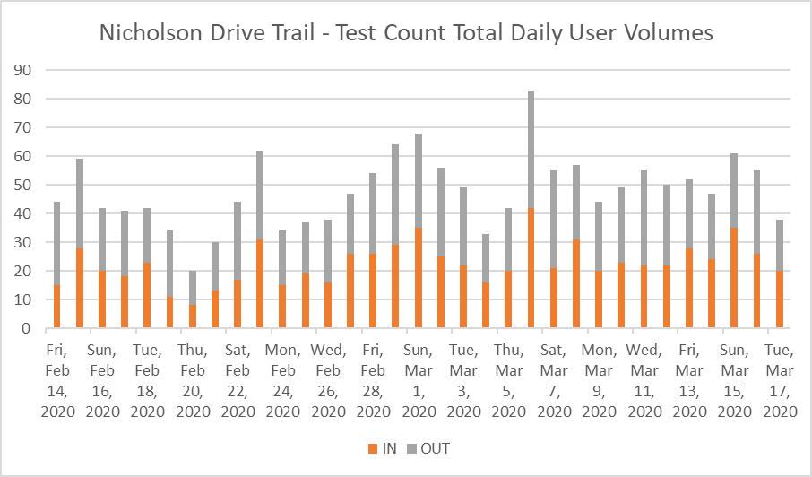
Nicholson Dr - Baton Rouge (2020)
Date | Newer PBRI Pyrobox | pyrobox_IN | pyrobox_OUT
2020-02-13 | 255 | 135 | 120
2020-02-14 | 44 | 15 | 29
2020-02-15 | 59 | 28 | 31
2020-02-16 | 42 | 20 | 22
2020-02-17 | 41 | 18 | 23
2020-02-18 | 42 | 23 | 19
2020-02-19 | 34 | 11 | 23
2020-02-20 | 20 | 8 | 12
2020-02-21 | 30 | 13 | 17
2020-02-22 | 44 | 17 | 27
2020-02-23 | 62 | 31 | 31
2020-02-24 | 34 | 15 | 19
2020-02-25 | 37 | 19 | 18
2020-02-26 | 38 | 16 | 22
2020-02-27 | 47 | 26 | 21
2020-02-28 | 54 | 26 | 28
2020-02-29 | 64 | 29 | 35
2020-03-01 | 68 | 35 | 33
2020-03-02 | 56 | 25 | 31
2020-03-03 | 49 | 22 | 27
2020-03-04 | 33 | 16 | 17
2020-03-05 | 42 | 20 | 22
2020-03-06 | 83 | 42 | 41
2020-03-07 | 55 | 21 | 34
2020-03-08 | 57 | 31 | 26
2020-03-09 | 44 | 20 | 24
2020-03-10 | 49 | 23 | 26
...

